Normalised
 | (P/B)2025 | (P/B)2024 | (P/B)2023 | (P/B)2022 | (P/B)2021 | (P/B)2020 | (P/B)2019 | (P/B)2018 | (P/B)2017 | (P/B)2016 | (P/B)2015 | (P/B)2014 | flattened
Adani Ports and Special Economic Zone Ltd | 0.822805652 | 0.739582086 | 0.8880672973 | 0.8114297689 | 0.7874805413 | 0.9479403664 | 0.8772901449 | 0.8593282242 | 0.8275954975 | 0.8407675727 | 0.7138366663 | 0.8030475392 | 0.822805652
Asian Paints Ltd | 0.3761525566 | 0.1953358879 | 0.07678721111 | 0 | 0 | 0.123488205 | 0.1636031613 | 0.3031074123 | 0.2594000718 | 0.303706143 | 0.08876182493 | 0.2911327985 | 0.739582086
AXIS Bank Ltd | 0.9593162496 | 0.944946713 | 0.9461441744 | 0.9503352892 | 0.944946713 | 0.9940426296 | 0.8922584122 | 0.9461441744 | 0.9437492516 | 0.9497365585 | 0.8910609508 | 0.9611124416 | 0.8880672973
Bajaj Finserv Ltd | 0.8036462699 | 0.8084361154 | 0.8078373847 | 0.6647407496 | 0.8114297689 | 0.9287809843 | 0.7856843492 | 0.8275954975 | 0.8269967669 | 0.9491378278 | 0.9491378278 | 0.9892527841 | 0.8114297689
Bajaj Finance Ltd | 0.724015088 | 0.7192252425 | 0.6946772842 | 0.468357083 | 0.5659501856 | 0.8222069213 | 0.5378098431 | 0.7000658604 | 0.6677344031 | 0.7689198898 | 0.8126272303 | 0.9437492516 | 0.7874805413
Bharat Electronics Ltd | 0.4084840139 | 0.5282301521 | 0.7605376602 | 0.8180158065 | 0.9030355646 | 0.9605137109 | 0.9203987546 | 0.8096335768 | 0.7982576937 | 0.8784876063 | 0.8707041073 | 0.9922464376 | 0.9479403664
Bharti Airtel Ltd | 0.6102562567 | 0.6491737516 | 0.7880792719 | 0.6886899772 | 0.7796970423 | 0.8814812597 | 0.9569213268 | 0.9311759071 | 0.9443479823 | 0.9425517902 | 0.8311878817 | 0.9425517902 | 0.8772901449
HCL Technologies Ltd | 0.6970722069 | 0.7006645911 | 0.7982576937 | 0.7629325829 | 0.8012513471 | 0.9299784457 | 0.8551371093 | 0.8467548797 | 0.8419650341 | 0.8174170758 | 0.7479643157 | 0.747365585 | 0.8593282242
HDFC Bank Ltd | 0.9012393725 | 0.9186025626 | 0.8760926835 | 0.8647168004 | 0.8263980362 | 0.9030355646 | 0.815022153 | 0.7916716561 | 0.8210094599 | 0.8449586876 | 0.8210094599 | 0.8210094599 | 0.8275954975
Hindustan Unilever Ltd | 0.4246497425 | 0.445006586 | 0.3528020596 | 0.4809304275 | 0.3510058676 | 0 | 0 | 0 | 0 | 0 | 0 | 0 | 0.8407675727
ICICI Bank Ltd | 0.8826787211 | 0.8862711053 | 0.8946533349 | 0.8982457191 | 0.9126152557 | 0.9635073644 | 0.9299784457 | 0.9688959406 | 0.9730870554 | 0.977876901 | 0.9389594061 | 0.9557238654 | 0.7138366663
Infosys Ltd | 0.6611483655 | 0.6461800982 | 0.5994791043 | 0.4324332415 | 0.6126511795 | 0.8198119986 | 0.7713148126 | 0.8407675727 | 0.8653155311 | 0.7982576937 | 0.7689198898 | 0.8162196144 | 0.8030475392
ITC Ltd | 0.6300143695 | 0.6383965992 | 0.6557597892 | 0.7719135433 | 0.8012513471 | 0.8742964914 | 0.7000658604 | 0.7120404742 | 0.6288169082 | 0.6976709376 | 0.574931146 | 0.4480002395 | 0.3761525566
Kotak Mahindra Bank Ltd | 0.904233026 | 0.9048317567 | 0.8838761825 | 0.8527421866 | 0.8216081906 | 0.8455574183 | 0.8042450006 | 0.8311878817 | 0.8186145372 | 0.8443599569 | 0.7940665789 | 0.8802837983 | 0.1953358879
Larsen & Toubro Ltd | 0.7737097354 | 0.70844809 | 0.8641180697 | 0.8880672973 | 0.9108190636 | 0.9665010178 | 0.8814812597 | 0.8701053766 | 0.8922584122 | 0.9150101784 | 0.8341815351 | 0.880882529 | 0.07678721111
Mahindra & Mahindra Ltd | 0.8371751886 | 0.8742964914 | 0.9311759071 | 0.954526404 | 0.9413543288 | 1 | 0.9587175189 | 0.937163214 | 0.9281822536 | 0.9203987546 | 0.9054304874 | 0.9192012933 | 0
Maruti Suzuki India Ltd | 0.8431624955 | 0.7910729254 | 0.8257993055 | 0.8210094599 | 0.8317866124 | 0.9114177943 | 0.8120284996 | 0.6916836307 | 0.7743084661 | 0.8485510717 | 0.7934678482 | 0.9024368339 | 0
NTPC Ltd | 0.9557238654 | 0.946742905 | 0.9988324752 | 1 | 1 | 1 | 0.9964375524 | 0.987456592 | 0.9844629386 | 0.9988324752 | 0.979673093 | 1 | 0.123488205
Power Grid Corporation of India Ltd | 0.8934558735 | 0.8910609508 | 0.954526404 | 0.9497365585 | 0.9718895941 | 0.9910489762 | 0.9635073644 | 0.9569213268 | 0.9443479823 | 0.9688959406 | 0.9497365585 | 0.9736857861 | 0.1636031613
Reliance Industries Ltd | 0.9455454437 | 0.9162076398 | 0.9365644833 | 0.9311759071 | 0.9581187882 | 0.9742845168 | 0.9431505209 | 0.9617111723 | 0.9790743624 | 0.9880553227 | 1 | 0.9856604 | 0.3031074123
State Bank of India | 0.9784756317 | 0.9647048258 | 0.9838642079 | 0.9748832475 | 0.9910489762 | 1 | 0.995240091 | 1 | 0.9916477069 | 1 | 0.9940426296 | 1 | 0.2594000718
Sun Pharmaceutical Industries Ltd | 0.7228176266 | 0.7024607831 | 0.8162196144 | 0.7946653095 | 0.8832774518 | 0.9563225961 | 0.9018381032 | 0.8814812597 | 0.7988564244 | 0.7102442821 | 0.5725362232 | 0.6844988624 | 0.303706143
Tata Motors Ltd | 0.9401568674 | 0.8000538858 | 0.85573584 | 0.8449586876 | 0.9431505209 | 1 | 1 | 0.9982337445 | 0.9048317567 | 0.9688959406 | 0.8796850677 | 0.9509340199 | 0.08876182493
Tata Steel Ltd | 0.9419530595 | 0.9419530595 | 0.9940426296 | 0.9850616693 | 0.9892527841 | 1 | 1 | 1 | 0.9892527841 | 1 | 1 | 1 | 0.2911327985
Tata Consultancy Services Ltd | 0.2438330739 | 0.1378577416 | 0.2911327985 | 0.1492336247 | 0.2540114956 | 0.5815171836 | 0.5659501856 | 0.6856963238 | 0.7353909711 | 0.6509699437 | 0.4785355047 | 0.5611603401 | 0.9593162496
Tech Mahindra Ltd | 0.7934678482 | 0.8204107293 | 0.8605256855 | 0.7755059274 | 0.8599269549 | 0.9329720991 | 0.8647168004 | 0.8892647587 | 0.921596216 | 0.8982457191 | 0.772512274 | 0.7952640402 | 0.944946713
Titan Company Ltd | 0 | 0 | 0 | 0 | 0 | 0.3240629865 | 0.07199736558 | 0.08516944079 | 0.4887139265 | 0.5545743025 | 0.3923182852 | 0.5150580769 | 0.9461441744
Trent Ltd | 0 | 0 | 0 | 0 | 0.3767512873 | 0.6413902527 | 0.6336067537 | 0.6366004071 | 0.7270087415 | 0.8527421866 | 0.8629206083 | 0.8623218776 | 0.9503352892
UltraTech Cement Ltd | 0.7814932343 | 0.7886780026 | 0.8257993055 | 0.8419650341 | 0.8048437313 | 0.9239911388 | 0.8365764579 | 0.8222069213 | 0.7994551551 | 0.8263980362 | 0.8204107293 | 0.8593282242 | 0.944946713
 |  |  |  |  |  |  |  |  |  |  |  |  | 0.9940426296
 |  |  |  |  |  |  |  |  |  |  |  |  | 0.8922584122
 |  |  |  |  |  |  |  |  |  |  |  |  | 0.9461441744
Global min | 0 |  |  |  |  |  |  |  |  |  |  |  | 0.9437492516
Global Max | 1 |  |  |  |  |  |  |  |  |  |  |  | 0.9497365585
 |  |  |  |  |  |  |  |  |  |  |  |  | 0.8910609508
 |  |  |  |  |  |  |  |  |  |  |  |  | 0.9611124416
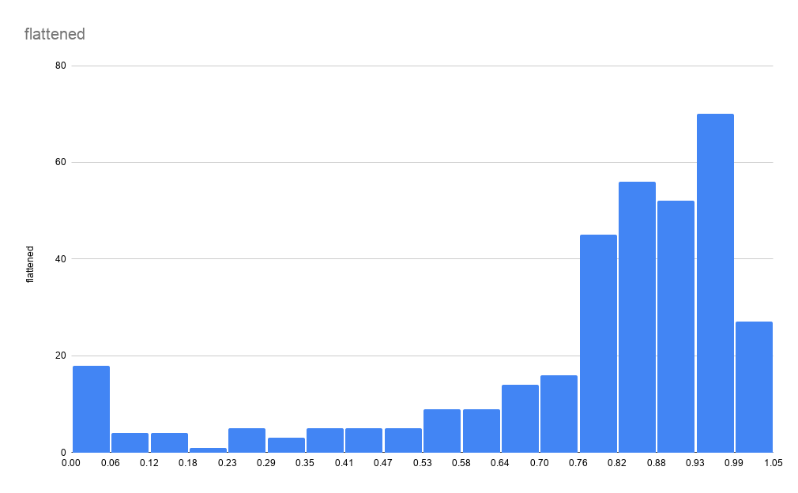
 |  |  |  |  |  |  |  |  |  |  |  |  | 0.8036462699
 |  |  |  |  |  |  |  |  |  |  |  |  | 0.8084361154
 |  |  |  |  |  |  |  |  |  |  |  |  | 0.8078373847
 |  |  |  |  |  |  |  |  |  |  |  |  | 0.6647407496
 |  |  |  |  |  |  |  |  |  |  |  |  | 0.8114297689
 |  |  |  |  |  |  |  |  |  |  |  |  | 0.9287809843
 |  |  |  |  |  |  |  |  |  |  |  |  | 0.7856843492
 |  |  |  |  |  |  |  |  |  |  |  |  | 0.8275954975
 |  |  |  |  |  |  |  |  |  |  |  |  | 0.8269967669
 |  |  |  |  |  |  |  |  |  |  |  |  | 0.9491378278
 |  |  |  |  |  |  |  |  |  |  |  |  | 0.9491378278
 |  |  |  |  |  |  |  |  |  |  |  |  | 0.9892527841
 |  |  |  |  |  |  |  |  |  |  |  |  | 0.724015088
 |  |  |  |  |  |  |  |  |  |  |  |  | 0.7192252425
 |  |  |  |  |  |  |  |  |  |  |  |  | 0.6946772842
 |  |  |  |  |  |  |  |  |  |  |  |  | 0.468357083
 |  |  |  |  |  |  |  |  |  |  |  |  | 0.5659501856
 |  |  |  |  |  |  |  |  |  |  |  |  | 0.8222069213
 |  |  |  |  |  |  |  |  |  |  |  |  | 0.5378098431
 |  |  |  |  |  |  |  |  |  |  |  |  | 0.7000658604
 |  |  |  |  |  |  |  |  |  |  |  |  | 0.6677344031
 |  |  |  |  |  |  |  |  |  |  |  |  | 0.7689198898
 |  |  |  |  |  |  |  |  |  |  |  |  | 0.8126272303
 |  |  |  |  |  |  |  |  |  |  |  |  | 0.9437492516
 |  |  |  |  |  |  |  |  |  |  |  |  | 0.4084840139
 |  |  |  |  |  |  |  |  |  |  |  |  | 0.5282301521
 |  |  |  |  |  |  |  |  |  |  |  |  | 0.7605376602
 |  |  |  |  |  |  |  |  |  |  |  |  | 0.8180158065
 |  |  |  |  |  |  |  |  |  |  |  |  | 0.9030355646
 |  |  |  |  |  |  |  |  |  |  |  |  | 0.9605137109
 |  |  |  |  |  |  |  |  |  |  |  |  | 0.9203987546
 |  |  |  |  |  |  |  |  |  |  |  |  | 0.8096335768
 |  |  |  |  |  |  |  |  |  |  |  |  | 0.7982576937
 |  |  |  |  |  |  |  |  |  |  |  |  | 0.8784876063
 |  |  |  |  |  |  |  |  |  |  |  |  | 0.8707041073
 |  |  |  |  |  |  |  |  |  |  |  |  | 0.9922464376
 |  |  |  |  |  |  |  |  |  |  |  |  | 0.6102562567
 |  |  |  |  |  |  |  |  |  |  |  |  | 0.6491737516
 |  |  |  |  |  |  |  |  |  |  |  |  | 0.7880792719
 |  |  |  |  |  |  |  |  |  |  |  |  | 0.6886899772
 |  |  |  |  |  |  |  |  |  |  |  |  | 0.7796970423
 |  |  |  |  |  |  |  |  |  |  |  |  | 0.8814812597
 |  |  |  |  |  |  |  |  |  |  |  |  | 0.9569213268
 |  |  |  |  |  |  |  |  |  |  |  |  | 0.9311759071
 |  |  |  |  |  |  |  |  |  |  |  |  | 0.9443479823
 |  |  |  |  |  |  |  |  |  |  |  |  | 0.9425517902
 |  |  |  |  |  |  |  |  |  |  |  |  | 0.8311878817
 |  |  |  |  |  |  |  |  |  |  |  |  | 0.9425517902
 |  |  |  |  |  |  |  |  |  |  |  |  | 0.6970722069
 |  |  |  |  |  |  |  |  |  |  |  |  | 0.7006645911
 |  |  |  |  |  |  |  |  |  |  |  |  | 0.7982576937
 |  |  |  |  |  |  |  |  |  |  |  |  | 0.7629325829
 |  |  |  |  |  |  |  |  |  |  |  |  | 0.8012513471
 |  |  |  |  |  |  |  |  |  |  |  |  | 0.9299784457
 |  |  |  |  |  |  |  |  |  |  |  |  | 0.8551371093
 |  |  |  |  |  |  |  |  |  |  |  |  | 0.8467548797
 |  |  |  |  |  |  |  |  |  |  |  |  | 0.8419650341
 |  |  |  |  |  |  |  |  |  |  |  |  | 0.8174170758
 |  |  |  |  |  |  |  |  |  |  |  |  | 0.7479643157
 |  |  |  |  |  |  |  |  |  |  |  |  | 0.747365585
 |  |  |  |  |  |  |  |  |  |  |  |  | 0.9012393725
 |  |  |  |  |  |  |  |  |  |  |  |  | 0.9186025626
 |  |  |  |  |  |  |  |  |  |  |  |  | 0.8760926835
 |  |  |  |  |  |  |  |  |  |  |  |  | 0.8647168004
 |  |  |  |  |  |  |  |  |  |  |  |  | 0.8263980362
 |  |  |  |  |  |  |  |  |  |  |  |  | 0.9030355646
 |  |  |  |  |  |  |  |  |  |  |  |  | 0.815022153
 |  |  |  |  |  |  |  |  |  |  |  |  | 0.7916716561
 |  |  |  |  |  |  |  |  |  |  |  |  | 0.8210094599
 |  |  |  |  |  |  |  |  |  |  |  |  | 0.8449586876
 |  |  |  |  |  |  |  |  |  |  |  |  | 0.8210094599
 |  |  |  |  |  |  |  |  |  |  |  |  | 0.8210094599
 |  |  |  |  |  |  |  |  |  |  |  |  | 0.4246497425
 |  |  |  |  |  |  |  |  |  |  |  |  | 0.445006586
 |  |  |  |  |  |  |  |  |  |  |  |  | 0.3528020596
 |  |  |  |  |  |  |  |  |  |  |  |  | 0.4809304275
 |  |  |  |  |  |  |  |  |  |  |  |  | 0.3510058676
 |  |  |  |  |  |  |  |  |  |  |  |  | 0
 |  |  |  |  |  |  |  |  |  |  |  |  | 0
 |  |  |  |  |  |  |  |  |  |  |  |  | 0
 |  |  |  |  |  |  |  |  |  |  |  |  | 0
...

